Cover
Bike Share Usage Data Report Q4 2025
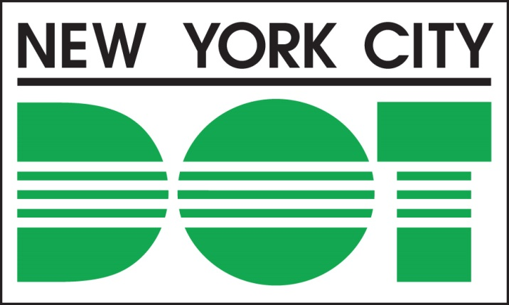 Alternative text: New York City Department of Transportation logo
Bike Share Usage Data: Local Law 099 of 2015 requires the NYC Department of Transportation (NYCDOT) to compile and report on bike share usage data quarterly, beginning January 1, 2016. This document contains the number of Citi Bike trips in New York City, disaggregated by month, quarter, and year; and further disaggregated by council district and community district for the reporting period of October 1, 2025 to December 31, 2025. During this period, there were 10,250,589 Citi Bike trips initiated in New York City. The information in this report was taken from the Citi Bike program database. This report includes only trips taken by customers from publicly available stations that are longer than 60 seconds in duration. Disaggregation by time period is based on the start time of each trip. For more information on bike share in New York City or to access Citi Bike usage data, such as detailed trip histories, visit http://nyc.gov/CyclingTrends under “Bike Share Trip Data."

