M&O STANDARDS
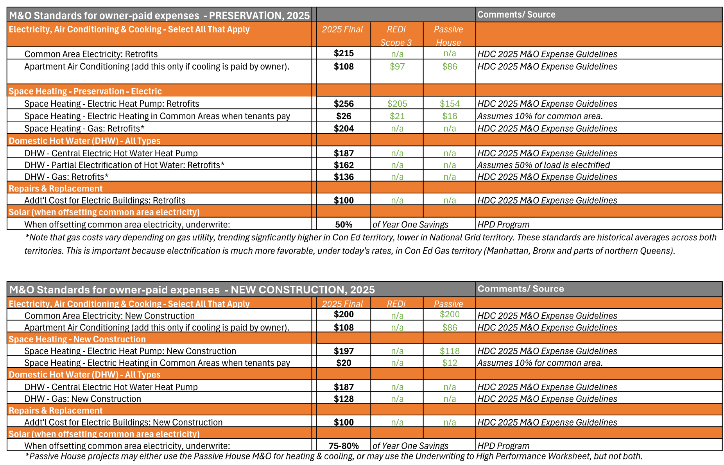
2025 HDC M&O STANDARD
 | <--HPD Only: hidden dropdowns

UTILITY ALLOWANCE TABLE
