Sample PASSPort Invoice
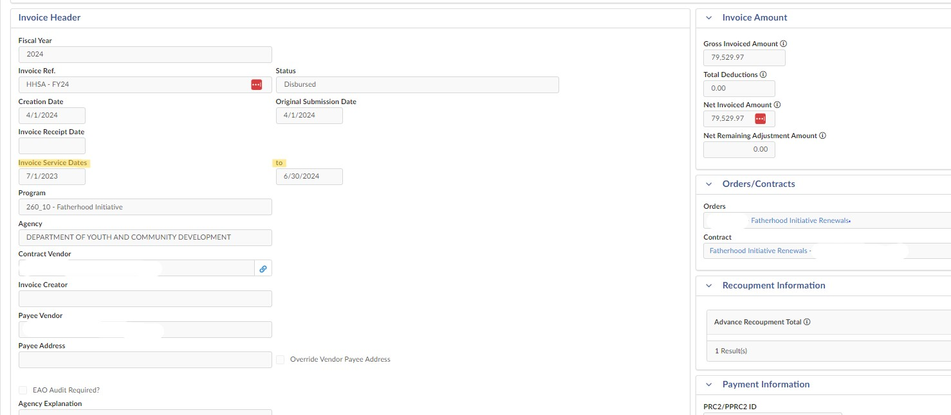

Invoice Period located on the invoice header for October thru December invoices.

The DYCD ID and BC can be located on the Sub-Budget Column of the invoice. Reflect amounts for CSBG sub-budgets line items only.

