Table of contents
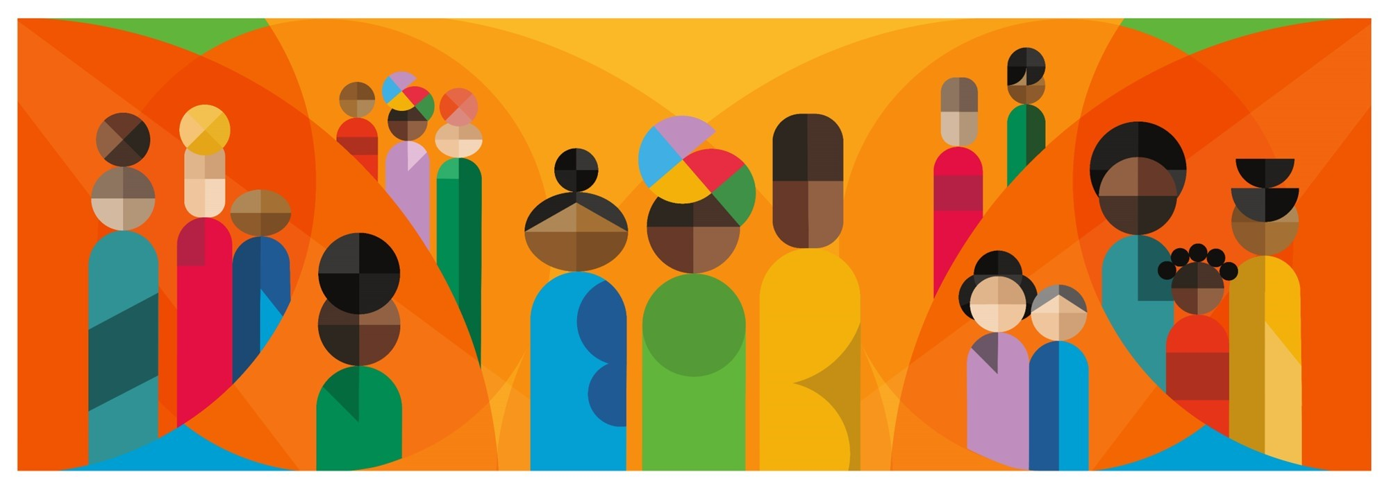

 | The Health of Immigrants in New York City
 | Data Tables Appendix
 | Table of Contents
 | Technical notes- Data sources and details on disaggregation
 | Indicator list
 | Language Listing - Languages spoken at home in New York City, 2017-2021
 | Demog Listing - Places of origin in New York City, 2017-2021
 | Population Changes - Growth by country and region of birth in New York City, 2017-2021
 | ACS 1 - American Community Survey measures - Demographics
 | ACS 2 - American Community Survey measures - Social & Economic Conditions | Community, Housing & Climate
 | CHS 1 - Community Health Survey measures - Demographics | Social & Economic Conditions
 | CHS 2 - Community Health Survey measures - Community, Housing & Climate | Healthy Living
 | CHS 3 - Community Health Survey measures - Health Care & Access
 | CHS 4 - Community Health Survey measures - Mental Health | Health Outcomes
 | YRBS - High School Youth Risk Behavior Survey measures
 | NYC KIDS Survey measures
 | PRAMS - Pregnancy Risk Assessment Monitoring System
 | DIS - Disease Control measures: HIV diagnoses, care and treatment, PLHA, Perinatal Hepatitis B and Tuberculosis
 | HVS - Housing and Vacancy Survey measures
 | Vitals 1 - Office of Vital Statistics - birth outcomes and pregnancy-associated mortality
 | Vitals 2 - Office of Vital Statistics - mortality outcomes
 | Vitals 3 - Office of Vital Statistics - premature mortality and top causes of death
 | New Arrivals
 | Geography Crosswalk

 | The Health of Immigrants in New York City report is available at: https://www.nyc.gov/assets/doh/downloads/pdf/episrv/immigrant-health-2025.pdf
 | For questions, email query@health.nyc.gov
 | The artwork above is a community mural titled “We Gon’ Be Alright” for the Kings County Hospital Wellness and Recovery Center. Unveiled in 2024, it was made by Fitgi Saint-Louis <https://www.fitgisaintlouis.com/>, @fitgisaintlouis <https://www.instagram.com/fitgisaintlouis/>, a New York City-based artist, who explores the African diaspora and her Haitian heritage across various mediums. The mural was commissioned through the NYC Health + Hospitals’ Arts in Medicine as part of the Community Mural Project and developed by the artist through a series of focus groups with community members, staff, and patients. This mural celebrates and honors the community here that shows up each day for each other throughout the challenging journey towards recovery.

