Table of Contents
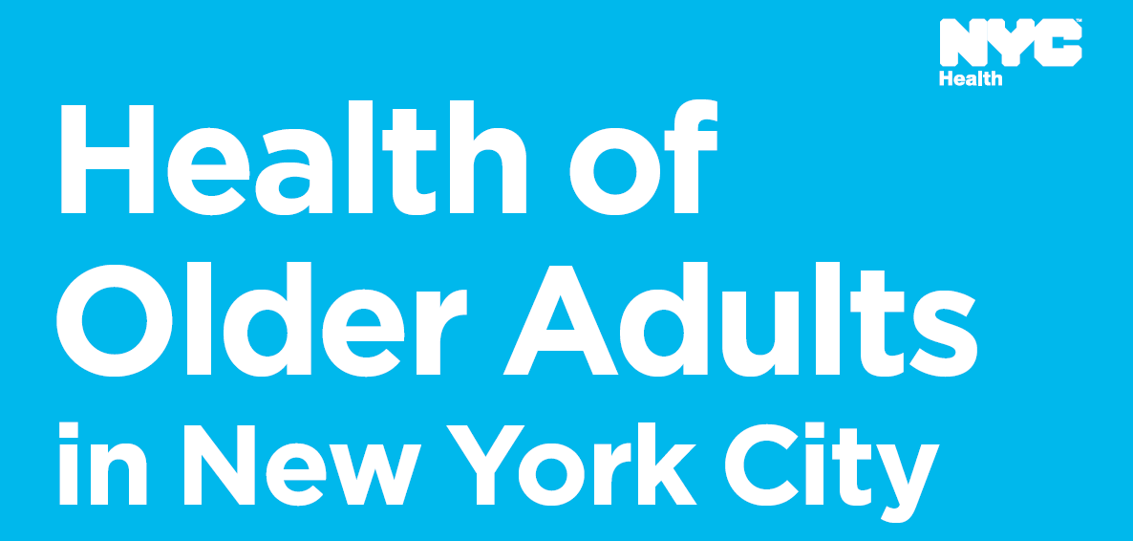

Public Use Dataset
Table of Contents
Table 1. | Technical notes- Data sources, limitations, and erratum
Table 2. | Report indicator list
Table 3. | Older adults in New York City - Demographics
Table 4. | Social environment and support
Table 5. | Housing and neighborhoods
Table 6. | Health behaviors and risks
Table 7. | General health and functional abilities
Table 8. | Dental health
Table 9. | Communicable diseases
Table 10. | Sexual health
Table 11. | Chronic disease
Table 12. | Brain health and cognition
Table 13. | Mental health
Table 14. | Health care and access
Table 15. | Other vital statistics indicators

